WECC
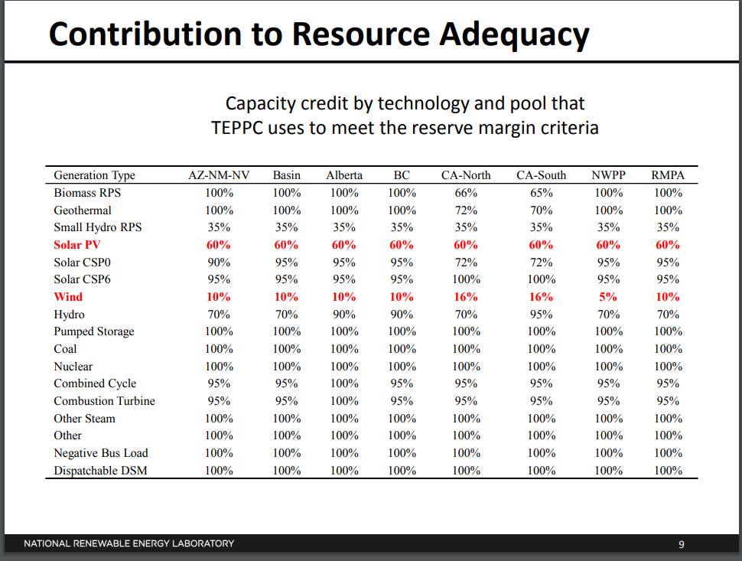
Released: November 2017
Next Update: November 2018

Table 3B.1. WECC monthly peak hour demand, by North American Electric Reliability Corporation Assesment Area,
1996-2016 actual, 2017-2018 projected
megawatts

WECC | Year | January | February | March | April | May | June | July | August | September | October | November | December
Actual | 1996 | 95,306 | 94,878 | 86,486 | 89,912 | 91,930 | 99,203 | 108,739 | 107,790 | 98,006 | 95,427 | 87,466 | 94,331
 | 1997 | 95,886 | 89,483 | 89,505 | 88,124 | 99,796 | 98,340 | 104,361 | 110,001 | 105,659 | 95,236 | 89,470 | 93,132
 | 1998 | 95,102 | 90,267 | 89,009 | 88,242 | 84,051 | 97,617 | 111,830 | 115,921 | 112,705 | 92,543 | 88,524 | 101,822
 | 1999 | 91,641 | 91,773 | 87,599 | 87,821 | 91,165 | 105,404 | 113,629 | 109,873 | 102,526 | 96,329 | 90,741 | 96,875
 | 2000 | 95,673 | 91,627 | 91,044 | 94,250 | 104,053 | 111,600 | 114,472 | 114,602 | 107,797 | 97,398 | 95,483 | 97,324
 | 2001 | 96,766 | 93,801 | 87,641 | 90,023 | 100,484 | 105,427 | 108,629 | 109,119 | 101,320 | 97,762 | 91,851 | 95,286
 | 2002 | 96,555 | 93,195 | 90,041 | 88,714 | 104,110 | 111,108 | 119,074 | 114,763 | 111,475 | 99,967 | 92,834 | 95,951
 | 2003 | 92,602 | 93,831 | 91,002 | 89,713 | 110,358 | 112,627 | 122,537 | 119,473 | 113,594 | 103,327 | 94,291 | 99,793
 | 2004 | 102,049 | 95,546 | 95,191 | 101,654 | 105,503 | 111,143 | 123,136 | 122,922 | 116,784 | 96,429 | 100,001 | 101,541
 | 2005 | 102,464 | 96,789 | 90,859 | 90,623 | 106,680 | 115,821 | 130,760 | 125,253 | 113,824 | 101,470 | 100,361 | 107,493
 | 2006 | 99,571 | 101,154 | 97,101 | 93,098 | 110,713 | 129,742 | 142,096 | 127,749 | 122,420 | 103,797 | 107,335 | 108,617
 | 2007 | 107,097 | 101,215 | 98,234 | 98,980 | 107,541 | 126,064 | 137,488 | 139,389 | 128,226 | 99,594 | 100,700 | 109,607
 | 2008 | 110,395 | 104,200 | 97,743 | 106,357 | 120,959 | 134,781 | 134,052 | 134,829 | 122,386 | 115,877 | 100,056 | 113,605
 | 2009 | 100,195 | 97,674 | 91,682 | 99,806 | 107,913 | 116,680 | 128,245 | 122,835 | 122,256 | 91,636 | 94,362 | 109,565
 | 2010 | 97,439 | 94,018 | 92,308 | 84,578 | 89,818 | 115,882 | 129,312 | 129,352 | 119,104 | 104,603 | 102,044 | 101,668
 | 2011 | 105,582 | 101,596 | 97,085 | 99,124 | 112,650 | 125,732 | 136,801 | 137,454 | 123,796 | 106,417 | 102,338 | 109,297
 | 2012 | 99,232 | 95,159 | 92,025 | 91,160 | 106,556 | 112,467 | 126,112 | 130,465 | 116,544 | 110,181 | 94,676 | 101,706
 | 2013 | 107,887 | 96,637 | 92,154 | 96,036 | 109,893 | 132,218 | 132,875 | 124,540 | 122,622 | 92,610 | 96,165 | 110,765
 | 2014 | 98,545 | 102,651 | 90,891 | 92,172 | 109,608 | 121,659 | 127,092 | 123,492 | 120,703 | 102,898 | 97,936 | 104,205
 | 2015 | 98,255 | 91,813 | 91,099 | 96,226 | 97,113 | 131,072 | 127,132 | 128,684 | 123,540 | 108,935 | 101,143 | 101,457
 | 2016 | 100,315 | 99,421 | 91,447 | 92,268 | 103,561 | 133,247 | 139,431 | 131,343 | 115,093 | 96,692 | 96,181 | 10,400
Projected | 2017E | 104,737 | 102,180 | 98,101 | 93,343 | 108,475 | 125,996 | 131,791 | 133,410 | 125,256 | 104,962 | 102,551 | 110,022
 | 2018E | 105,492 | 102,228 | 97,638 | 94,039 | 109,456 | 128,140 | 132,648 | 132,558 | 127,899 | 106,243 | 102,527 | 110,955

 |  |  |  |  |  |  |  |  |  |  |  |  |  | https://www.nrel.gov/docs/fy15osti/64879.pdf
 |  |  |  |  |  |  |  |  |  |  |  |  |  | PG 9
 |  |  |  |  |  |  |  |  |  |  |  |  |  | Note: RMPA = CO, WY
 |  |  |  |  |  |  |  |  |  |  |  |  |  | Basin = Idaho, Northern Nevada, Utah

PJM
Released: November 2017
Next Update: November 2018

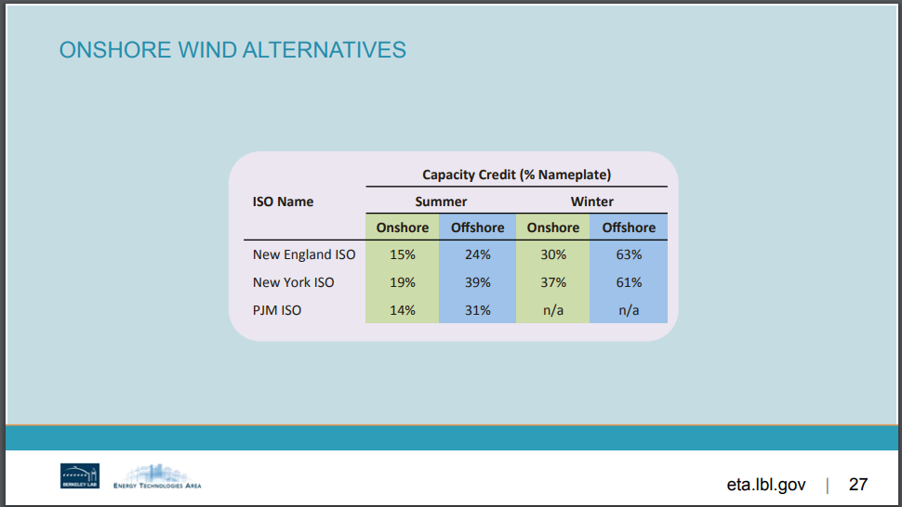
Table 3B.1. PJM monthly peak hour demand, by North American Electric Reliability Corporation Assesment Area,
1996-2016 actual, 2017-2018 projected
megawatts

PJM | Year | January | February | March | April | May | June | July | August | September | October | November | December
Actual | 1996 | NA | NA | NA | NA | NA | NA | NA | NA | NA | NA | NA | NA
 | 1997 | NA | NA | NA | NA | NA | NA | NA | NA | NA | NA | NA | NA
 | 1998 | NA | NA | NA | NA | NA | NA | NA | NA | NA | NA | NA | NA
 | 1999 | NA | NA | NA | NA | NA | NA | NA | NA | NA | NA | NA | NA
 | 2000 | NA | NA | NA | NA | NA | NA | NA | NA | NA | NA | NA | NA
 | 2001 | NA | NA | NA | NA | NA | NA | NA | NA | NA | NA | NA | NA
 | 2002 | NA | NA | NA | NA | NA | NA | NA | NA | NA | NA | NA | NA
 | 2003 | NA | NA | NA | NA | NA | NA | NA | NA | NA | NA | NA | NA
 | 2004 | NA | NA | NA | NA | NA | NA | NA | NA | NA | NA | NA | NA
 | 2005 | NA | NA | NA | NA | NA | NA | NA | NA | NA | NA | NA | NA
 | 2006 | NA | NA | NA | NA | NA | NA | NA | NA | NA | NA | NA | NA
 | 2007 | NA | NA | NA | NA | NA | NA | NA | NA | NA | NA | NA | NA
 | 2008 | NA | NA | NA | NA | NA | NA | NA | NA | NA | NA | NA | NA
 | 2009 | NA | NA | NA | NA | NA | NA | NA | NA | NA | NA | NA | NA
 | 2010 | 109,179 | 104,915 | 95,015 | 88,409 | 110,783 | 126,202 | 136,465 | 131,946 | 127,682 | 85,652 | 90,313 | 115,535
 | 2011 | 113,912 | 109,621 | 99,956 | 92,104 | 103,609 | 139,967 | 148,941 | 143,584 | 126,463 | 101,712 | 108,310 | 122,418
 | 2012 | 122,565 | 113,998 | 107,528 | 97,822 | 130,558 | 147,915 | 154,339 | 144,486 | 129,959 | 98,762 | 107,455 | 109,948
 | 2013 | 126,725 | 118,740 | 109,671 | 101,046 | 129,053 | 139,781 | 157,509 | 137,625 | 143,461 | 108,826 | 114,699 | 124,072
 | 2014 | 140,510 | 129,691 | 126,639 | 99,180 | 119,742 | 141,678 | 139,380 | 133,391 | 138,157 | 95,920 | 120,848 | 114,047
 | 2015 | 136,197 | 143,129 | 125,701 | 96,382 | 120,840 | 137,287 | 143,633 | 139,649 | 141,209 | 94,824 | 104,505 | 104,494
 | 2016 | 129,775 | 121,307 | 106,497 | 99,868 | 121,539 | 134,752 | 150,826 | 152,177 | 142,092 | 102,277 | 105,171 | 131,021
Projected | 2017E | 131,391 | 125,630 | 115,099 | 105,560 | 120,074 | 144,469 | 152,999 | 148,808 | 129,257 | 107,258 | 111,523 | 125,798
 | 2018E | 132,652 | 126,874 | 115,332 | 110,453 | 121,060 | 145,187 | 153,951 | 149,526 | 129,112 | 110,657 | 112,483 | 127,154

